Sheet1
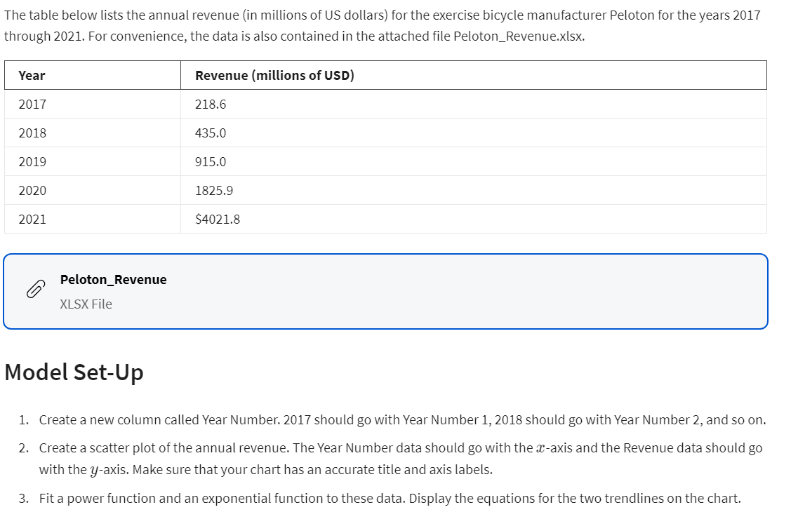
Exercise Equipment Company

Year | Year Number | Revenue (millions of USD)
2017 | 1 | $218.60
2018 | 2 | $435.00
2019 | 3 | $915.00
2020 | 4 | $1,825.90
2021 | 5 | $4,021.80

Exponential Model |  | y = ae^(bx)
a | 103.59
b | 0.7259
Power Function Model |  | y = ax^b
a | 170.97
b | 1.7511

 | Actual Data |  | Forecast |  | APE
 | Year Number | Revenue (millions of USD) | Exponential | Power | Exponential | Power
 | 1 | $218.60 | $214.08 | $170.97 | 2.07% | 21.79%
 | 2 | $435.00 | $442.41 | $575.51 | 1.70% | 32.30%
 | 3 | $915.00 | $914.28 | $1,170.60 | 0.08% | 27.93%
 | 4 | $1,825.90 | $1,889.45 | $1,937.26 | 3.48% | 6.10%
 | 5 | $4,021.80 | $3,904.72 | $2,863.43 | 2.91% | 28.80%
 | 6 | $3,582.10 | $8,069.45 | $3,940.40 | 125.27% | 10.00%
 | 7 |  | $16,676.25 | $5,161.44
 |  |  |  |  | 22.59% | 21.15%

